Sector Tables
Industrial Sector – Aggregated Industries |  |  |  |  |  |  |  |  |  |  |  | Source: | http://oee.nrcan.gc.ca/corporate/statistics/neud/dpa/showTable.cfm?type=CP&sector=agg&juris=ab&rn=9&page=0
Alberta
Table 9: Iron and Steel Secondary Energy Use and GHG Emissions
 | 1990 |  | 2012 | 2013 | 2014 | 2015
Total Iron and Steel Energy Use (PJ) | 2.2 |  | 2.7 | 2.5 | 3 | 2.9
Energy Use by Energy Source (PJ)
Electricity | x |  | x | x | 1.3 | 1.3
Natural Gas | x |  | 1.4 | x | 1.6 | 1.2
Diesel Fuel Oil, Light Fuel Oil and Kerosene | x |  | x | x | 0.1 | 0.1
Heavy Fuel Oil | 0 |  | 0 | 0 | 0 | 0
Still Gas and Petroleum Coke | 0 |  | 0 | 0 | 0 | 0
LPG and Gas Plant NGL | 0 |  | 0 | 0 | 0 | 0
Coal | 0 |  | 0 | 0 | 0 | 0
Coke and Coke Oven Gas | 0 |  | 0 | 0 | 0 | x
Wood Waste and Pulping Liquor | 0 |  | 0 | 0 | 0 | 0
Other1 | 0 |  | 0 | 0 | 0 | 0

Industrial Sector – Disaggregated Industries
Canada
Table 48: Primary Production of Alumina and Aluminum Secondary Energy Use and GHG Emissions
 | 1990 |  | 2012 | 2013 | 2014 | 2015
Total Primary Production of Alumina and Aluminum Energy Use (PJ) | 109.8 |  | 175.9 | 179.4 | 187.9 | 184.9
Energy Use by Energy Source (PJ)
Electricity | 101 |  | 157.1 | 160.9 | 163.7 | 162.8
Natural Gas | 5.1 |  | X | X | X | X
Diesel Fuel Oil, Light Fuel Oil and Kerosene | X |  | X | X | X | X
Heavy Fuel Oil | 3.5 |  | X | X | X | X
Still Gas and Petroleum Coke | 0 |  | 0 | 0 | 0 | 0
LPG and Gas Plant NGL | 0 |  | X | X | X | X
Coal | 0 |  | 0 | 0 | 0 | 0
Coke and Coke Oven Gas | 0 |  | 0 | 0 | 0 | 0
Wood Waste and Pulping Liquor | 0 |  | 0 | 0 | 0 | 0
Other1 | 0 |  | 0 | 0 | 0 | 0

Industrial Sector – Disaggregated Industries
Canada
Table 49: Other Non-Ferrous Smelting and Refining Secondary Energy Use and GHG Emissions
 | 1990 |  | 2012 | 2013 | 2014 | 2015
Total Other Non-Ferrous Smelting and Refining Energy Use (PJ) | 73.5 |  | 53.7 | 45.9 | 41.4 | 45.1
Energy Use by Energy Source (PJ)
Electricity | 32.1 |  | 24.5 | 18.9 | 21.2 | 21.2
Natural Gas | 19.8 |  | 11.7 | X | 10.6 | 14.3
Diesel Fuel Oil, Light Fuel Oil and Kerosene | X |  | X | 1.5 | 0.9 | 0.8
Heavy Fuel Oil | 4.9 |  | X | X | X | X
Still Gas and Petroleum Coke | 1.7 |  | X | X | X | X
LPG and Gas Plant NGL | 0 |  | X | X | X | X
Coal | 12.6 |  | X | X | X | X
Coke and Coke Oven Gas | 1.8 |  | X | X | X | X
Wood Waste and Pulping Liquor | 0 |  | 0 | 0 | 0 | 0
Other1 | 0 |  | 0 | 0 | 0 | 0

Table 50: Fabricated Metal Products Industries Secondary Energy Use and GHG Emissions
 | 1990 |  | 2010 | 2011 | 2012 | 2013 | 2014 | 2015 |  | <- none for this
Total Fabricated Metal Products Industries Energy Use (PJ) | 37.4 |  | 36.7 | 39.1 | 40.5 | 39.4 | 33.8 | 31.9
Energy Use by Energy Source (PJ)
Electricity | 9.3 |  | 13 | 13.8 | 14.5 | 14.4 | 12.7 | 11.7
Natural Gas | 27.1 |  | 22.4 | 24 | 24.7 | 23.7 | X | X
Diesel Fuel Oil, Light Fuel Oil and Kerosene | 0.2 |  | X | X | 0.5 | 0.5 | X | 0.3
Heavy Fuel Oil | 0.2 |  | X | X | X | X | X | X
Still Gas and Petroleum Coke | 0 |  | 0 | 0 | X | X | 0 | 0
LPG and Gas Plant NGL | 0.6 |  | 0.7 | 0.7 | 0.8 | 0.8 | X | X
Coal | 0 |  | 0 | X | X | 0 | 0 | 0
Coke and Coke Oven Gas | 0 |  | 0 | 0 | 0 | 0 | 0 | 0
Wood Waste and Pulping Liquor | 0 |  | X | X | X | X | X | X
Other1 | 0 |  | 0 | 0 | 0 | 0 | 0 | 0

Industrial Sector – Aggregated Industries
Alberta
Table 36: Petroleum Refining Secondary Energy Use and GHG Emissions
 | 1990 |  | 2012 | 2013 | 2014 | 2015 |  | http://oee.nrcan.gc.ca/corporate/statistics/neud/dpa/showTable.cfm?type=CP&sector=agg&juris=ab&rn=6&page=0
Total Petroleum Refining Energy Use (PJ) | 61.8 |  | 72.3 | 73.6 | 82.4 | 305.1
Energy Use by Energy Source (PJ)
Electricity | 4.2 |  | x | x | 4.8 | 4.5
Natural Gas | 9.5 |  | 15.9 | 15.8 | x | x
Diesel Fuel Oil, Light Fuel Oil and Kerosene | 8.7 |  | 1.1 | 0.4 | 0.9 | 1.4
Heavy Fuel Oil | 0 |  | 0 | 0 | 0 | 0
Still Gas and Petroleum Coke | 39.5 |  | 50.7 | 52.8 | 60.4 | 59.8
LPG and Gas Plant NGL | 0 |  | 0 | 0 | 0 | 0
Coal | 0 |  | 0 | 0 | 0 | 0
Coke and Coke Oven Gas | 0 |  | 0 | 0 | 0 | 0
Wood Waste and Pulping Liquor | 0 |  | 0 | 0 | 0 | 0
Other1 | 0 |  | 0 | 0 | 0 | 0

Industrial Sector – Disaggregated Industries
Canada
Table 9: Copper, Nickel, Lead and Zinc Mines Secondary Energy Use and GHG Emissions |  |  |  |  |  |  |  |  | Note: AB data not available, so canadian data scaled. From the source below we are assuming that Alberta produces essentially 0% of metallic minerals in Canada
 | 1990 |  | 2011 | 2012 | 2013 | 2014 | 2015 |  | Source: | https://www.nrcan.gc.ca/mining-materials/publications/17722
Total Copper, Nickel, Lead and Zinc Mines Energy Use (PJ) | 0 |  | 0 | 0 | 0 | 0 | 0 |  | 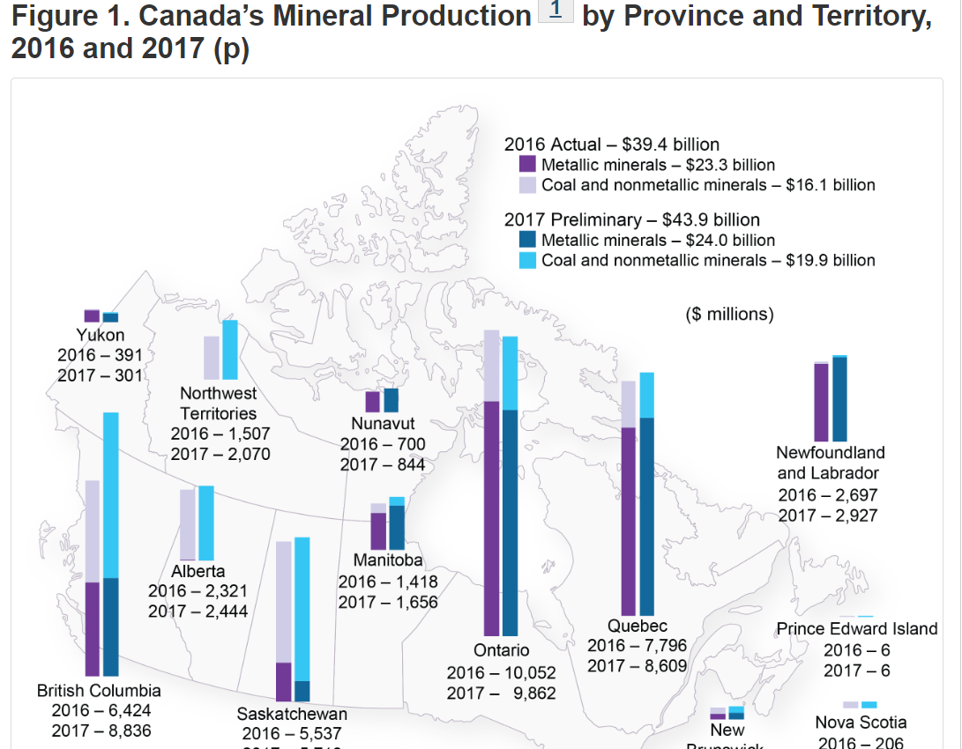
Energy Use by Energy Source (PJ)
Electricity | 0 | 0 | 0 | 0 | 0 | 0 | 0
Natural Gas | 0 | 0 | 0 | 0 | 0 | 0 | 0
Diesel Fuel Oil, Light Fuel Oil and Kerosene | 0 | 0 | 0 | 0 | 0 | 0 | 0
Heavy Fuel Oil | 0 | 0 | 0 | 0 | 0 | 0 | 0
Still Gas and Petroleum Coke | 0 | 0 | 0 | 0 | 0 | 0 | 0
LPG and Gas Plant NGL | 0 | 0 | 0 | 0 | 0 | 0 | 0
Coal | 0 | 0 | 0 | 0 | 0 | 0 | 0
Coke and Coke Oven Gas | 0 | 0 | 0 | 0 | 0 | 0 | 0
Wood Waste and Pulping Liquor | 0 | 0 | 0 | 0 | 0 | 0 | 0
Other1 | 0 | 0 | 0 | 0 | 0 | 0 | 0

Industrial Sector – Disaggregated Industries
Canada
Table 10: Iron Mines Secondary Energy Use and GHG Emissions |  |  |  |  |  |  |  | Note: AB does not produce any iron
 | 1990 |  | 2012 | 2013 | 2014 | 2015 |  | Source: | https://www.nrcan.gc.ca/mining-materials/facts/iron-ore/20517
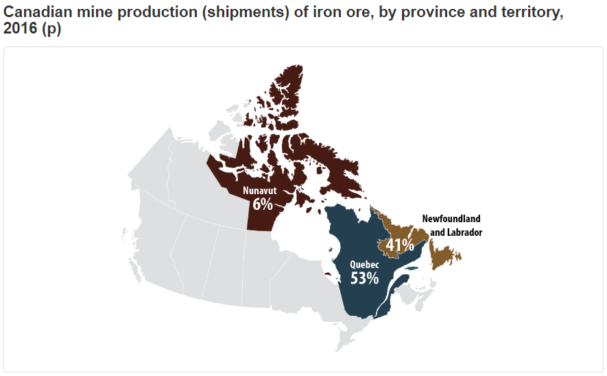
Total Iron Mines Energy Use (PJ) | 0 |  | 0 | 0 | 0 | 0
Energy Use by Energy Source (PJ)
Electricity | 0 |  | 0 | 0 | 0 | 0
Natural Gas | 0 |  | 0 | 0 | 0 | 0
Diesel Fuel Oil, Light Fuel Oil and Kerosene | 0 |  | 0 | 0 | 0 | 0
Heavy Fuel Oil | 0 |  | 0 | 0 | 0 | 0
Still Gas and Petroleum Coke | 0 |  | 0 | 0 | 0 | 0
LPG and Gas Plant NGL | 0 |  | 0 | 0 | 0 | 0
Coal | 0 |  | 0 | 0 | 0 | 0
Coke and Coke Oven Gas | 0 |  | 0 | 0 | 0 | 0
Wood Waste and Pulping Liquor | 0 |  | 0 | 0 | 0 | 0
Other1 | 0 |  | 0 | 0 | 0 | 0

Industrial Sector – Disaggregated Industries
Canada
Table 11: Gold and Silver Mines Secondary Energy Use and GHG Emissions |  |  |  |  |  |  |  | Note: No silver or gold mines in AB
 | 1990 |  | 2012 | 2013 | 2014 | 2015 |  | Source: | https://samssa.ca/silver-mining-canada/
Total Gold and Silver Mines Energy Use (PJ) | 0 |  | 0 | 0 | 0 | 0 |  |  | http://www.nrcan.gc.ca/mining-materials/facts/gold/20514
Energy Use by Energy Source (PJ)
Electricity | 0 |  | 0 | 0 | 0 | 0
Natural Gas | 0 |  | 0 | 0 | 0 | 0
Diesel Fuel Oil, Light Fuel Oil and Kerosene | 0 |  | 0 | 0 | 0 | 0
Heavy Fuel Oil | 0 |  | 0 | 0 | 0 | 0
Still Gas and Petroleum Coke | 0 |  | 0 | 0 | 0 | 0
LPG and Gas Plant NGL | 0 |  | 0 | 0 | 0 | 0
Coal | 0 |  | 0 | 0 | 0 | 0
Coke and Coke Oven Gas | 0 |  | 0 | 0 | 0 | 0
Wood Waste and Pulping Liquor | 0 |  | 0 | 0 | 0 | 0
Other1 | 0 |  | 0 | 0 | 0 | 0

Industrial Sector – Disaggregated Industries
Canada
Table 12: Other Metal Mines Secondary Energy Use and GHG Emissions |  |  |  |  |  |  |  | Note: Again, AB does not produce metals, so these are 0
 | 1990 |  | 2012 | 2013 | 2014 | 2015 |  | Source: Same as table 9
Total Other Metal Mines Energy Use (PJ) | 0 |  | 0 | 0 | 0 | 0
Energy Use by Energy Source (PJ)
Electricity | 0 |  | 0 | 0 | 0 | 0
Natural Gas | 0 |  | 0 | 0 | 0 | 0
Diesel Fuel Oil, Light Fuel Oil and Kerosene | 0 |  | 0 | 0 | 0 | 0
Heavy Fuel Oil | 0 |  | 0 | 0 | 0 | 0
Still Gas and Petroleum Coke | 0 |  | 0 | 0 | 0 | 0
LPG and Gas Plant NGL | 0 |  | 0 | 0 | 0 | 0
Coal | 0 |  | 0 | 0 | 0 | 0
Coke and Coke Oven Gas | 0 |  | 0 | 0 | 0 | 0
Wood Waste and Pulping Liquor | 0 |  | 0 | 0 | 0 | 0
Other1 | 0 |  | 0 | 0 | 0 | 0

Industrial Sector – Disaggregated Industries
Canada
Table 13: Salt Mines Secondary Energy Use and GHG Emissions
 | 1990 |  | 2010 | 2011 | 2012 | 2013 | 2014 | 2015 |  | Note: AB has roughly 3% of total salt mine capacity in 2008, assuming that energy use and emissions are related to capacity, we can assume the percentage to be around 3.5% (to account for growth)
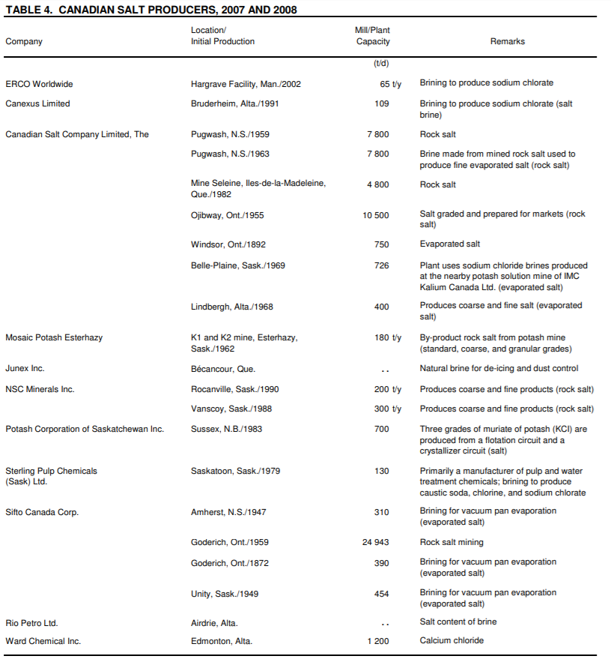
Total Salt Mines Energy Use (PJ) | 2.9 |  | 2.2 | 2.1 | 2.1 | 2.3 | 2.6 | 2.4 |  | Source: | https://www.nrcan.gc.ca/sites/www.nrcan.gc.ca/files/mineralsmetals/pdf/mms-smm/busi-indu/cmy-amc/2008revu/pdf/sal-sel-eng.pdf
Energy Use by Energy Source (PJ)
Electricity | 0.5 |  | 0.6 | 0.6 | 0.6 | 0.7 | 0.7 | 0.0245
Natural Gas | 2 |  | 1 | 1 | 1.1 | 1.3 | 1.6 | 0.0525 |  |  |  |  |  |  |  | 0.17808219178
Diesel Fuel Oil, Light Fuel Oil and Kerosene | 0.2 |  | 0.2 | 0.2 | 0.2 | 0.2 | 0.2 | 0.007 |  |  |  |  |  |  |  | 109
Heavy Fuel Oil | 0.3 |  | 0.4 | 0.2 | 0.2 | 0.1 | 0.1 | 0.0035 |  |  |  |  |  |  |  | 7800
Still Gas and Petroleum Coke | 0 |  | 0 | 0 | 0 | 0 | 0 | 0 |  |  |  |  |  |  |  | 7800
LPG and Gas Plant NGL | 0 |  | 0 | 0 | 0 | 0 | 0 | 0 |  |  |  |  |  |  |  | 4800
Coal | 0 |  | 0 | 0 | 0 | 0 | 0 | 0 |  |  |  |  |  |  |  | 10500
Coke and Coke Oven Gas | 0 |  | 0 | 0 | 0 | 0 | 0 | 0 |  |  |  |  |  |  |  | 750
Wood Waste and Pulping Liquor | 0 |  | 0 | 0 | 0 | 0 | 0 | 0 |  |  |  |  |  |  |  | 726
Other1 | 0 |  | 0 | 0 | 0 | 0 | 0 | 0 |  |  |  |  |  |  |  | 400
 |  |  |  |  |  |  |  |  |  |  |  |  |  |  |  | 0.49315068493
Industrial Sector – Disaggregated Industries |  |  |  |  |  |  |  |  |  |  |  |  |  |  |  | 0.54794520548
Canada |  |  |  |  |  |  |  |  |  |  |  |  |  |  |  | 0.82191780822
Table 14: Potash Mines Secondary Energy Use and GHG Emissions |  |  |  |  |  |  |  |  |  |  |  |  |  |  |  | 700
 | 1990 |  | 2010 | 2011 | 2012 | 2013 | 2014 | 2015 |  | Note: No potash mines in AB |  |  |  |  |  | 130
Total Potash Mines Energy Use (PJ) | 27.4 |  | 23.2 | 38.7 | 35.8 | 31.3 | 31 | 32.9 |  | Source: | https://www.thecanadianencyclopedia.ca/en/article/potash/ |  |  |  |  | 310
Energy Use by Energy Source (PJ) |  |  |  |  |  |  |  |  |  |  |  |  |  |  |  | 24943
Electricity | 6.1 |  | 6.8 | 8.4 | 8.1 | 9.1 | 9.1 | 0 |  |  |  |  |  |  |  | 390
Natural Gas | 19.8 |  | 16.2 | 29.9 | 27.4 | 21.9 | 21.5 | 0 |  |  |  |  |  |  |  | 454
Diesel Fuel Oil, Light Fuel Oil and Kerosene | 1.5 |  | 0.2 | 0.4 | 0.3 | 0.3 | 0.4 | 0 |  |  |  |  |  |  |  | 1200
Heavy Fuel Oil | 0 |  | 0 | 0 | 0 | 0 | 0 | 0 |  |  |  |  |  |  | Total | 61014.041096
Still Gas and Petroleum Coke | 0 |  | 0 | 0 | 0 | 0 | 0 | 0 |  |  |  |  |  |  | AB | 1709
LPG and Gas Plant NGL | 0.1 |  | 0 | 0 | 0 | 0 | 0.1 | 0 |  |  |  |  |  |  | % | 0.02800994606
Coal | 0 |  | 0 | 0 | 0 | 0 | 0 | 0
Coke and Coke Oven Gas | 0 |  | 0 | 0 | 0 | 0 | 0 | 0
Wood Waste and Pulping Liquor | 0 |  | 0 | 0 | 0 | 0 | 0 | 0
Other1 | 0 |  | 0 | 0 | 0 | 0 | 0 | 0

Industrial Sector – Disaggregated Industries
Canada
Table 15: Other Non-Metal Mines Secondary Energy Use and GHG Emissions |  |  |  |  |  |  |  |  |  | Note: These numbers are so small in the sum that they are almost insignificant. Since I couldn't find data quickly (and it's also not that important), it's safe to assume that AB consumes 25%.
 | 1990 |  | 2010 | 2011 | 2012 | 2013 | 2014 | 2015
Total Other Non-Metal Mines Energy Use (PJ) | 8 |  | 9.4 | 9.1 | 8.8 | 8.4 | 8.5 | 8.6
Energy Use by Energy Source (PJ)
Electricity | 1.9 |  | 0.9 | 0.9 | 0.8 | 0.5 | 0.5 | 0.15
Natural Gas | 2.3 |  | 1.1 | 1 | 1 | 0.6 | 0.4 | 0.1
Diesel Fuel Oil, Light Fuel Oil and Kerosene | 1.9 |  | 6.9 | 7 | 7 | 7.2 | 7.5 | 1.875
Heavy Fuel Oil | 1.7 |  | 0.4 | 0.2 | 0 | 0 | 0 | 0
Still Gas and Petroleum Coke | 0 |  | 0 | 0 | 0 | 0 | 0 | 0
LPG and Gas Plant NGL | 0.1 |  | 0.1 | 0.1 | 0.1 | 0.1 | 0.1 | 1.875
Coal | 0 |  | 0 | 0 | 0 | 0 | 0 | 0
Coke and Coke Oven Gas | 0 |  | 0 | 0 | 0 | 0 | 0 | 0
Wood Waste and Pulping Liquor | 0 |  | 0 | 0 | 0 | 0 | 0 | 0
Other1 | 0 |  | 0 | 0 | 0 | 0 | 0 | 0

Industrial Sector – Disaggregated Industries |  |  |  |  |  |  |  | Note: |  |  |  |  | Sources: | http://oee.nrcan.gc.ca/corporate/statistics/neud/dpa/showTable.cfm?type=CP&sector=agg&juris=ca&rn=16&page=0
Canada |  |  |  |  |  |  |  | We use total mining data as a proxy for upstream |  |  |  |  |  | http://oee.nrcan.gc.ca/corporate/statistics/neud/dpa/showTable.cfm?type=CP&sector=agg&juris=ab&rn=12&page=0
Table 16: Upstream Mining Secondary Energy Use and GHG Emissions
 | 1990 |  | 2013 | 2014 | 2015 |  |  | AB | CAN | %
Total Upstream Mining Energy Use (PJ) | 210.7 |  | 1,102.60 | 1,127.50 | 1,190.90 |  |  | 1079.5 | 1336.5 | 0.8077066966
Energy Use by Energy Source (PJ)
Electricity | 47.9 |  | 59.3 | 57.4 | 26.982555066 |  |  | 56.4 | 113.5 | 0.49691629956
Natural Gas | 41.7 |  | 677.3 | 728.4 | 693.95028987 |  |  | 718.5 | 810.7 | 0.88627112372
Diesel Fuel Oil, Light Fuel Oil and Kerosene | 21.9 |  | 84.8 | 73 | 36.405913043 |  |  | 55.6 | 115 | 0.48347826087
Heavy Fuel Oil | 0 |  | 0 | 0 | 0 |  |  | 0.1 | 12.4 | 0.008064516129
Still Gas and Petroleum Coke | 97 |  | 225.5 | 221.6 | 223.7 |  |  | 223.7 | 231.5 | 0.96630669546
LPG and Gas Plant NGL | 2.2 |  | 48.3 | 44.6 | 31.582672234 |  |  | 35.1 | 47.9 | 0.73277661795
Coal | 0 |  | 7.3 | 2.6 | 0 |  |  | x | 3.7 | N/A
Coke and Coke Oven Gas | 0 |  | 0 | 0 | 0 |  |  | 0 | x | N/A
Wood Waste and Pulping Liquor | 0 |  | 0 | 0 | 0 |  |  | 0 | 0 | N/A
Other1 | 0 |  | 0 | 0 | 0 |  |  | 0 | 0 | N/A

Industrial Sector – Aggregated Industries
Alberta
Table 1: Secondary Energy Use by Energy Source
 | 1990 |  | 2011 | 2012 | 2013 | 2014 | 2015 |  | http://oee.nrcan.gc.ca/corporate/statistics/neud/dpa/showTable.cfm?type=CP&sector=agg&juris=ab&rn=1&page=0
Total Energy Use (PJ) | 501 |  | 1,219 | 3,416 | 3,525 | 3,584 | 3,540
Energy Use by Energy Source (PJ)
Electricity | 70.6 |  | 100 | 101.6 | 94.6 | 102.4 | 101.1
Natural Gas | 241.7 |  | 638 | 731 | 842 | 866 | 895
Diesel Fuel Oil, Light Fuel Oil and Kerosene | 32.4 |  | 86.3 | 80.4 | 81.4 | 72.7 | 67.4
Heavy Fuel Oil | 0.5 |  | 0.6 | 0.5 | 0.7 | 0.5 | 0.5
Still Gas and Petroleum Coke | 135.3 |  | 272.3 | 269.3 | 272 | 273.3 | 283.5
LPG and Gas Plant NGL | 3.2 |  | 38.8 | 49.1 | 42 | 38.6 | 36.9
Coal | 0.3 |  | 9.1 | 4 | 4.1 | 3.2 | 3.4
Coke and Coke Oven Gas | 0 |  | 0 | 0 | 0 | 0 | x
Wood Waste and Pulping Liquor | 12.9 |  | 60.9 | 63.4 | 76.5 | 82.7 | 64.5
Other1 | 4.2 |  | x | x | x | x | x

Industrial Sector – Aggregated Industries
Alberta
Table 46: Cement Industry Secondary Energy Use and GHG Emissions
 | 1990 |  | 2010 | 2011 | 2012 | 2013 | 2014 | 2015 |  | http://oee.nrcan.gc.ca/corporate/statistics/neud/dpa/showTable.cfm?type=CP&sector=agg&juris=ab&rn=7&page=0
Total Cement Industry Energy Use (PJ) | 8 |  | 10.7 | 11.1 | 10.2 | 10.5 | 9.1 | 9.1

Electricity | x |  | x | x | x | 1.4 | x | 1.4
Natural Gas | x |  | x | x | x | x | x | x
Diesel Fuel Oil, Light Fuel Oil and Kerosene | 0 |  | x | x | x | x | x | x
Heavy Fuel Oil | 0 |  | x | 0 | x | x | 0 | 0
Still Gas and Petroleum Coke | 0 |  | 0 | 0 | 0 | 0 | 0 | 0
LPG and Gas Plant NGL | 0 |  | x | x | x | 0 | 0 | x
Coal | 0 |  | x | x | x | x | x | x
Coke and Coke Oven Gas | 0 |  | 0 | 0 | 0 | 0 | 0 | x
Wood Waste and Pulping Liquor | 0 |  | 0 | 0 | 0 | 0 | 0 | 0
Other1 | 0.2 |  | 0.8 | 0.5 | 0.4 | 0.4 | 0.3 | 0.3

Industrial Sector – Disaggregated Industries
Canada
Table 37: Petrochemical Industry Secondary Energy Use and GHG Emissions
 | 1990 |  | 2010 | 2011 | 2012 | 2013 | 2014 | 2015 |  |  |  |  | Note: we are assuming that emissions are proportional to the percentage of industry present
Total Petrochemical Industry Energy Use (PJ) | 32.3 |  | 44.1 | 56.7 | 52.9 | 59.7 | 62.8 | 57.4 |  |  |  |  | Source: | https://www.ic.gc.ca/eic/site/chemicals-chimiques.nsf/eng/bt01135.html
Energy Use by Energy Source (PJ)
Electricity | 2.5 |  | X | X | X | X | X | 1.9272
Natural Gas | 27.8 |  | 38.1 | 48.6 | 42.6 | 49.2 | 51.9 | X
Diesel Fuel Oil, Light Fuel Oil and Kerosene | X |  | X | X | X | X | X | X
Heavy Fuel Oil | 1.9 |  | 0 | X | X | X | X | X
Still Gas and Petroleum Coke | 0 |  | 0 | 0 | 0 | 0 | 0 | 0
LPG and Gas Plant NGL | 0 |  | 0 | X | X | 0 | X | X
Coal | 0 |  | 0 | 0 | 0 | 0 | 0 | 0
Coke and Coke Oven Gas | 0 |  | 0 | 0 | 0 | 0 | 0 | 0
Wood Waste and Pulping Liquor | 0 |  | 0 | 0 | 0 | 0 | 0 | 0
Other1 | 0 |  | X | 4.3 | 4.8 | 4.5 | 4.6 | 4.4

Industrial Sector – Disaggregated Industries
Canada
Table 39: Alkali and Chlorine Manufacturing Secondary Energy Use and GHG Emissions |  |  |  |  |  |  |  |  |  | Note: There is no AB data for this, so we're going to scale the CDN number by the percentage of industry in AB, assuming that this gives us a reasonable estimate for electricity used
 | 1990 |  | 2010 | 2011 | 2012 | 2013 | 2014 | 2015 |  | Source: | https://www.canadianchemistry.ca/library/uploads/Statistical_Review_2015_ENG.pdf
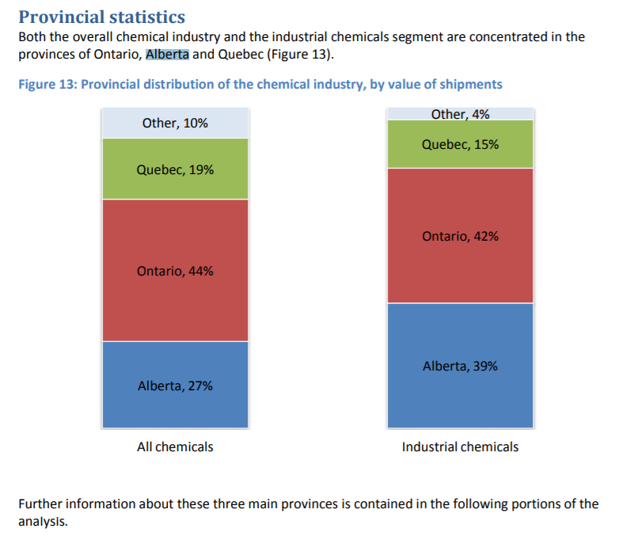
Total Alkali and Chlorine Manufacturing Energy Use (PJ) | 30.4 |  | 2.8 | 3.1 | 3 | 3.1 | 3.1 | 2.8
Energy Use by Energy Source (PJ)
Electricity | 3.861 |  | X | X | X | X | X | X
Natural Gas | 15.7 |  | X | X | X | X | X | X
Diesel Fuel Oil, Light Fuel Oil and Kerosene | 0 |  | X | X | X | X | X | X
Heavy Fuel Oil | 0.4 |  | X | X | X | X | X | X
Still Gas and Petroleum Coke | 0 |  | 0 | 0 | 0 | 0 | 0 | 0
LPG and Gas Plant NGL | 0 |  | X | X | X | X | X | X
Coal | 0 |  | 0 | 0 | 0 | 0 | 0 | 0
Coke and Coke Oven Gas | 0 |  | 0 | 0 | 0 | 0 | 0 | 0
Wood Waste and Pulping Liquor | 0 |  | 0 | 0 | 0 | 0 | 0 | 0
Other1 | 0 |  | 0 | 0 | 0 | 0 | 0 | 0

Industrial Sector – Disaggregated Industries
Canada
Table 40: All Other Basic Inorganic Chemical Manufacturing Secondary Energy Use and GHGEmissions
 | 1990 |  | 2010 | 2011 | 2012 | 2013 | 2014 | 2015
Total All Other Basic Inorganic Chemical Manufacturing Energy Use (PJ) | 28.7 |  | 28.2 | 30.5 | 30.7 | 29.3 | 32.8 | 31.6
Energy Use by Energy Source (PJ)
Electricity | 20.4 |  | 22.7 | 24.2 | 24 | 19.7 | 22.7 | 6.372
Natural Gas | 7.3 |  | 5.1 | 5.7 | 6.2 | 8.3 | X | 7.3
Diesel Fuel Oil, Light Fuel Oil and Kerosene | X |  | X | X | 0 | X | 0 | X |  | Note: We are using the same data here as above
Heavy Fuel Oil | X |  | X | 0 | 0 | X | X | X
Still Gas and Petroleum Coke | 0 |  | 0 | 0 | 0 | X | X | 0
LPG and Gas Plant NGL | 0 |  | 0 | 0.1 | X | 0 | 0 | 0
Coal | 0 |  | 0 | 0 | 0 | 0 | 0 | 0
Coke and Coke Oven Gas | 0 |  | 0 | 0 | 0 | 0 | 0 | 0
Wood Waste and Pulping Liquor | 0 |  | 0 | 0 | 0 | 0 | 0 | 0
Other1 | 0.3 |  | X | X | X | X | X | X

Industrial Sector – Disaggregated Industries
Canada
Table 41: Chemical Fertilizer (except Potash) Manufacturing Secondary Energy Use and GHGEmissions
 | 1990 |  | 2010 | 2011 | 2012 | 2013 | 2014 | 2015 |  | Note: I couldn't find any data on chemical fertilizer manufacturing, but I found some on general manufacturing, which is more reasonable to use than guessing
Total Chemical Fertilizer (except Potash) Manufacturing Energy Use (PJ) | 4.2746 |  | 53.7 | 58.8 | 59.2 | 68.8 | 64.4 | 8.8574 |  | Source: | https://www.ibisworld.ca/industry-trends/market-research-reports/manufacturing/fertilizer-manufacturing.html
Energy Use by Energy Source (PJ)
Electricity | 4.1 |  | X | X | 6 | X | 6.3 | 0.8174
Natural Gas | 27.8 |  | 48.3 | 52.3 | 52.7 | 63.1 | 58.1 | 59.9
Diesel Fuel Oil, Light Fuel Oil and Kerosene | 0 |  | 0 | X | X | X | X | X
Heavy Fuel Oil | 0 |  | X | X | X | 0 | X | X
Still Gas and Petroleum Coke | 0 |  | X | X | X | 0 | 0 | 0
LPG and Gas Plant NGL | 0 |  | 0 | X | X | X | 0 | 0
Coal | 0 |  | X | X | X | 0 | 0 | 0
Coke and Coke Oven Gas | 0 |  | 0 | 0 | 0 | 0 | 0 | 0
Wood Waste and Pulping Liquor | 0 |  | 0 | 0 | 0 | 0 | 0 | 0
Other1 | 0 |  | X | X | X | X | 0 | 0

Industrial Sector – Disaggregated Industries
Canada
Table 10: Other Chemical Manufacturing Secondary Energy Use and GHG Emissions
 | 1990 |  | 2010 | 2011 | 2012 | 2013 | 2014 | 2015 |  | Note: Going to use the same distribution as Chlorine and Alkali
Total Other Chemical Manufacturing Energy Use (PJ) | 94 |  | 101 | 104.9 | 100.8 | 97.9 | 93.3 | 101.6
Energy Use by Energy Source (PJ)
Electricity | 19 |  | 23.4 | 25.3 | 24.7 | 23.9 | 22.8 | 6.831
Natural Gas | 53.9 |  | 69.6 | 71.9 | 66.5 | 64.8 | 62.2 | 69
Diesel Fuel Oil, Light Fuel Oil and Kerosene | 0 |  | 0.4 | 2 | 1.7 | 0.4 | 0.4 | 0.4
Heavy Fuel Oil | 1.9 |  | 0.2 | 0 | 0.4 | 0.3 | 0.2 | 0.2
Still Gas and Petroleum Coke | 0.5 |  | 1 | 1 | 0.9 | 0 | 0 | 0
LPG and Gas Plant NGL | 0 |  | 0.1 | 0.1 | 0.1 | 0.1 | 0.1 | 0.1
Coal | 0 |  | 0 | 0 | 0 | 0 | 0 | 0
Coke and Coke Oven Gas | 0 |  | 0 | 0 | 0 | 0 | 0 | 0
Wood Waste and Pulping Liquor | 0 |  | 0 | 0 | 0 | 0 | 0 | 0
Other1 | 18.7 |  | 6.3 | 4.6 | 6.4 | 8.4 | 7.6 | 6.6

Industrial Sector – Disaggregated Industries
Canada
Table 38: Industrial Gas Industry Secondary Energy Use and GHG Emissions
 | 1990 |  | 2010 | 2011 | 2012 | 2013 | 2014 | 2015 |  | Note: Using the same factor as above
Total Industrial Gas Industry Energy Use (PJ) | 1.593 |  | 18.8 | 17.7 | 25.8 | 25.7 | 36 | 9.666
Energy Use by Energy Source (PJ)
Electricity | 1.404 |  | X | X | X | 4.9 | X | X
Natural Gas | 0.7 |  | X | X | X | X | X | X
Diesel Fuel Oil, Light Fuel Oil and Kerosene | 0 |  | 0 | 0 | 0 | X | X | X
Heavy Fuel Oil | 0 |  | 0 | 0 | 0 | 0 | 0 | 0
Still Gas and Petroleum Coke | 0 |  | 0 | 0 | 0 | 0 | 0 | 0
LPG and Gas Plant NGL | 0 |  | X | 0 | X | X | 0 | 0
Coal | 0 |  | 0 | 0 | 0 | 0 | 0 | 0
Coke and Coke Oven Gas | 0 |  | 0 | 0 | 0 | 0 | 0 | 0
Wood Waste and Pulping Liquor | 0 |  | 0 | 0 | 0 | 0 | 0 | 0
Other1 | 0 |  | 0 | X | 0 | 0 | 0 | 0

Agriculture Sector
Alberta
Table 1: Secondary Energy Use and GHG Emissions by End-Use and Energy Source – IncludingElectricity-Related Emissions
 | 1990 |  | 2011 | 2012 | 2013 | 2014 | 2015 |  | http://oee.nrcan.gc.ca/corporate/statistics/neud/dpa/showTable.cfm?type=CP&sector=agr&juris=ab&rn=1&page=0
Total Energy Use (PJ) | 52.4 |  | 56.85 | 56.4 | 58.4 | 59.1 | 57.5
Energy Use by End-Use (PJ)
Non-Motive Energy Use | 14.8 |  | 11.8 | 11.3 | 12.3 | 10.5 | 11.3
Motive Energy Use1 | 37.6 |  | 44.95 | 45.1 | 46 | 48.6 | 46.3
Energy Use by Energy Source (PJ)
Electricity | 6 |  | 7.95 | 7.3 | 8.2 | 6.3 | 6.9
Natural Gas | 7.5 |  | 3.45 | 3.6 | 3.7 | 3.8 | 4
Motor Gasoline | 17.4 |  | 16.45 | 16.5 | 16.9 | 20.5 | 17
Diesel Fuel Oil | 20.2 |  | 28.5 | 28.6 | 29.1 | 28.2 | 29.3
Light Fuel Oil | 0.1 |  | 0 | 0 | 0 | 0 | 0
Kerosene | 0 |  | 0 | 0 | 0 | 0 | 0
Heavy Fuel Oil | 0 |  | 0 | 0 | 0 | 0 | 0
Propane | 1.3 |  | 0.45 | 0.4 | 0.4 | 0.3 | 0.3
Steam | 0 |  | 0 | 0 | 0 | 0 | 0

